List
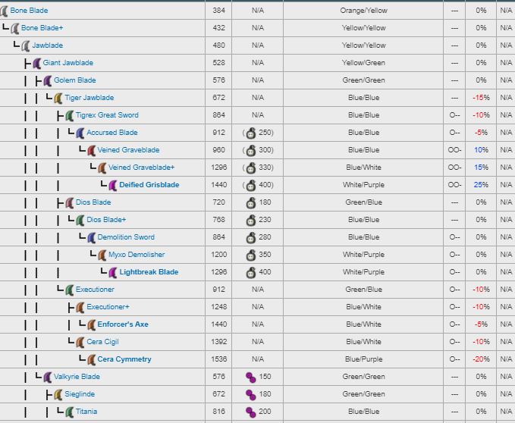
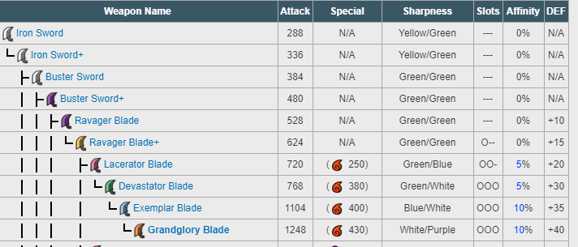
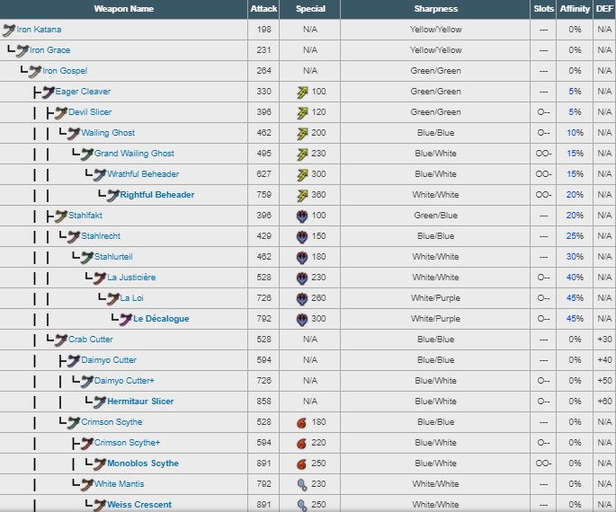
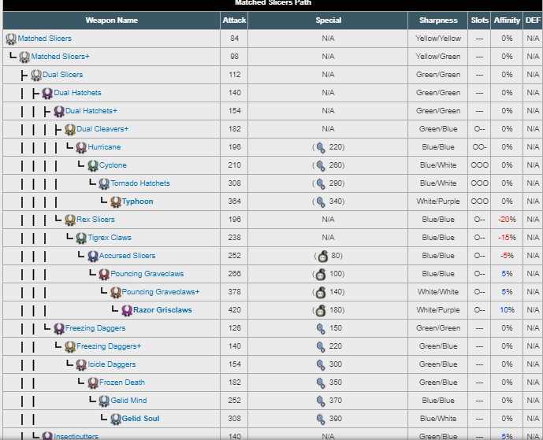
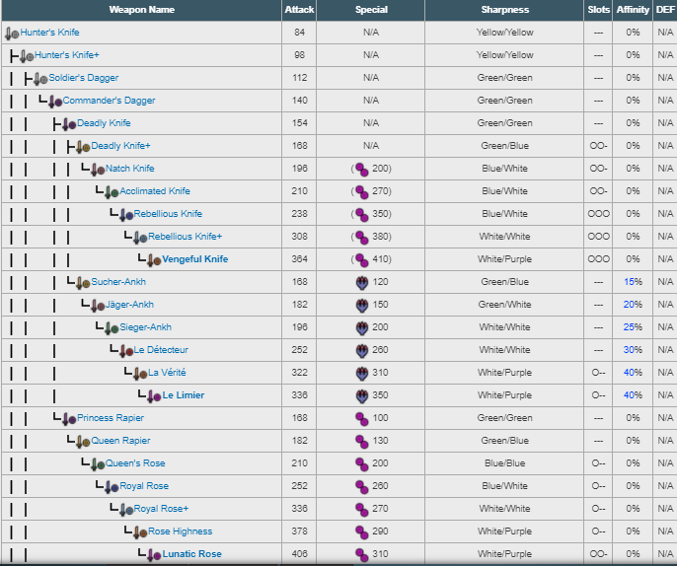
Bugs | Ores | Consumables | Plants | Mushroom | Spheres | Fishes | Sacs | Ticket | Bone | Tools | Greatsword | Longsword |  | Armors | Hammer | Hunting Horn | Lance | Gunlance | Bow | Bowguns
Insect Husk | Disk Stone | Potion | Herb | Blue | Armor Stone | Knife Mackerel | Screamer | Commendation | Small Monster | Bomb Material |  |  |  | Derring
Yambug | Iron Ore | Mega Potion | Sunset Herb | Nitroshroom | Armor Sphere | SushiFish | Poison Sac | Comm G | Med Monster | Flashbomb |  |  |  | Mafumufo
BugHopper | Stone | Nutrients | Honey | Parashroom | Armor Sphere+ | SleepyFish | Toxin | Comm S | Large Monster | Sonic Bomb |  |  |  | Hunter's
SnakebeeLarva | Earth Crystal | Mega Nutrients | Antidote Herb | Toadstool | Hard Armor Sphere | Pin Tuna | DeadlyPoison |  | Monster + | Dung Bomb |  |  |  | Bone
Godbug | Machalite | Antidote | Ivy | Excite Shroom | Heavy Armor Sphere | Rumble Fish | Paralysis |  | Hard Monster | Smoke bomb |  |  |  | Alloy
Bitterbug | Dragonite | Immunizer | Giant Corn | Chaos Mushroom | Royal Armor Sphere | Scatter Fish | Sleep |  | Hvy Monster | Poison Smoke Bomb |  |  |  | Loc Lac
Flashbug | Carbalite | Power Juice |  | Dragon Toadstool | Tru Armor Sphere | Burst Arrowana | Coma |  | Elder Dragon | Farcaster |  |  |  | Bnahabra
Thunderbug | Eltalite | Mega Juice |  |  |  | Bomb Arrowana | Flame |  | Big ElderDragon | Tranq Bomb |  |  |  | Remobra
Carpenterbug | Mellanje | Demon Drug |  |  |  | Spear Tuna | Inferno |  | Giant | Pitfall Trap |  |  |  | Jaggi
King scarab | Firestone | Mega Demon Drug |  |  |  | Ancient Fish | Blazing Fire |  | Stout | Shock Trap |  |  |  | Lagombi
Hercudrome | Firecell stone | PowerPill |  |  |  | Springnight Carp | Electro |  | Massive | Barrel Bomb |  |  |  | Banbaro
Rare Scarab | Light Crystal | Armorskin |  |  |  |  | Thunder |  | Sm Bone Husk | Large Barrel Bomb |  |  |  | Kecha
Royal Rhino | Novacrystal | Mega Armorskin |  |  |  |  | Lightning |  | Large Bone Husk |  |  |  |  | Gypceros
Divine Rhino | Purecrystal | Armor Pill |  |  |  |  |  |  | Bone |  |  |  |  | Zamtrios
 | Antiseptic Crystal | Cool Drink |  |  |  |  |  |  | Robust Wyvern Bone |  |  |  |  | Rathian
 | Ice crystal | Hot Drink |  |  |  |  |  |  |  |  |  |  |  | Rathalos
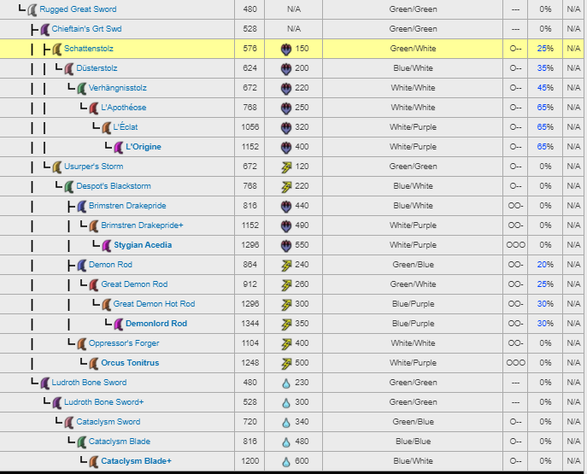
 | Rainbow Ore | Thawing Agent |  |  |  |  |  |  |  |  |  |  |  | Basarios
 |  | Herbal Medicine |  |  |  |  |  |  |  |  |  |  |  | Tigrex
 |  | Psychoserum |  |  |  |  |  |  |  |  |  |  |  | Brachy
 |  | Max Potion |  |  |  |  |  |  |  |  |  |  |  | Kirin
 |  | Ancient Potion |  |  |  |  |  |  |  |  |  |  |  | Narga
 |  | Energy Drink
 |  | Lifepowder
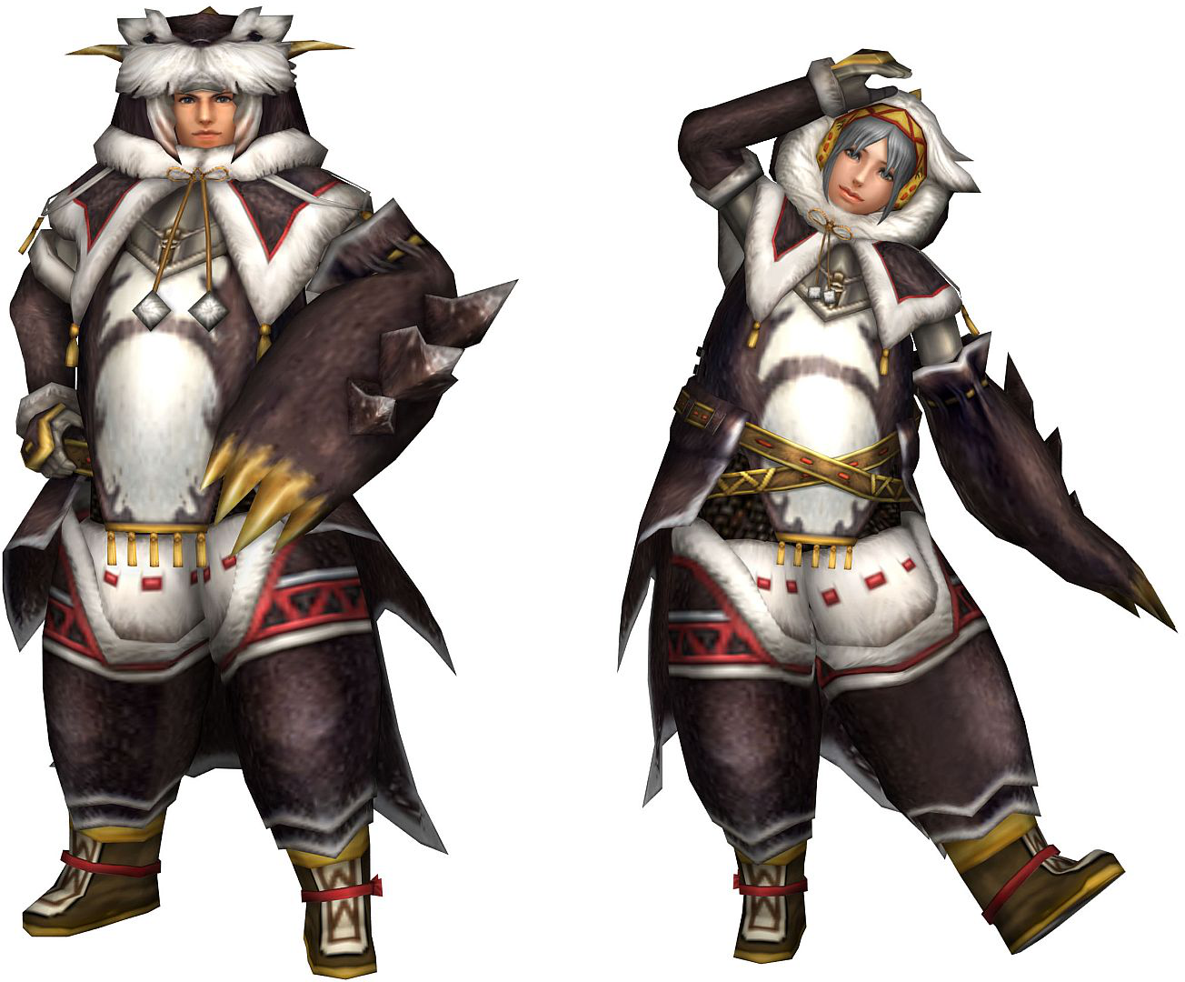

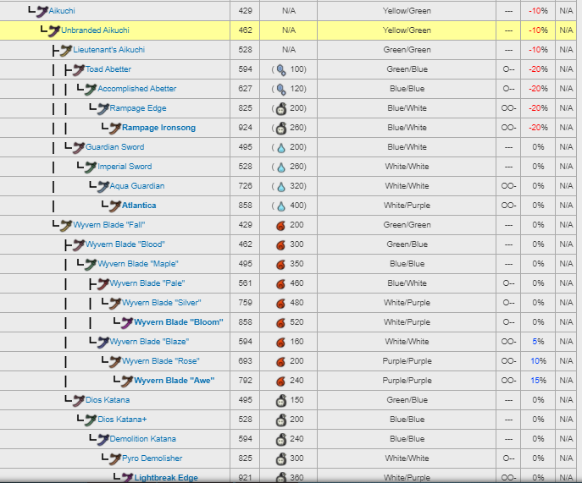

 |  |  |  |  |  |  |  |  |  |  |  |  | Pokaradon set

